P1
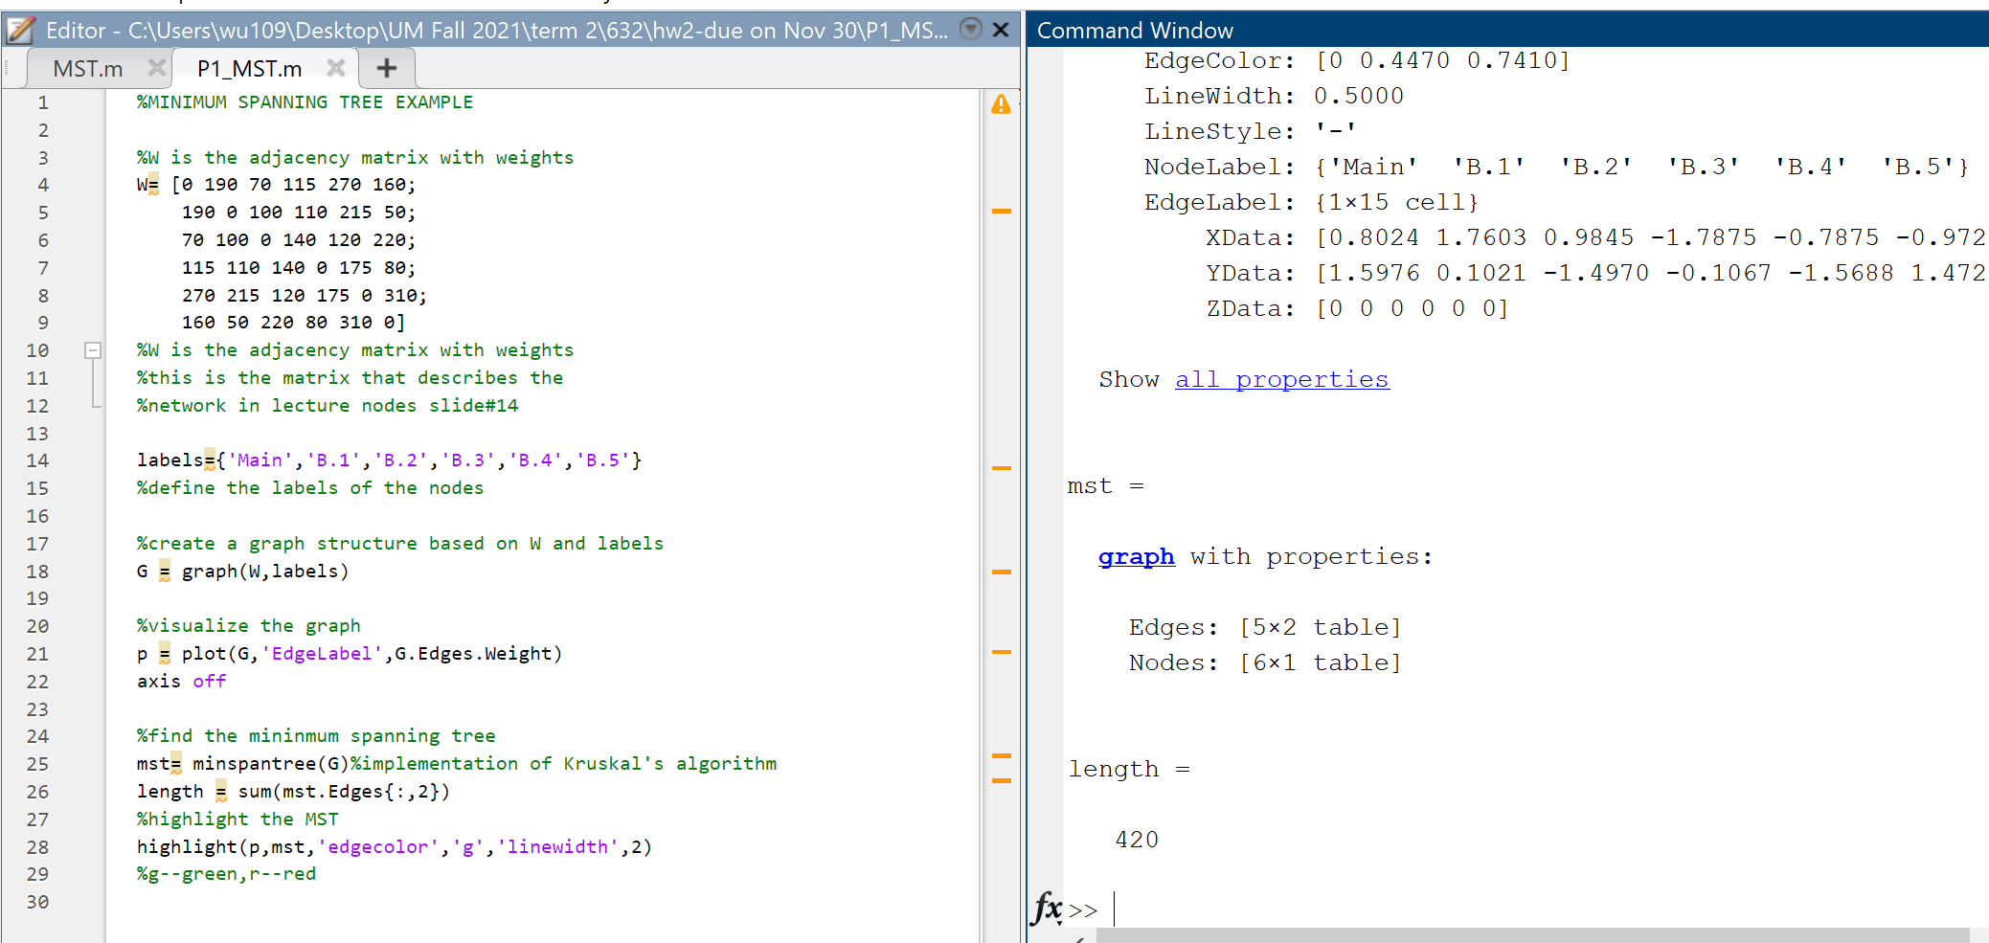
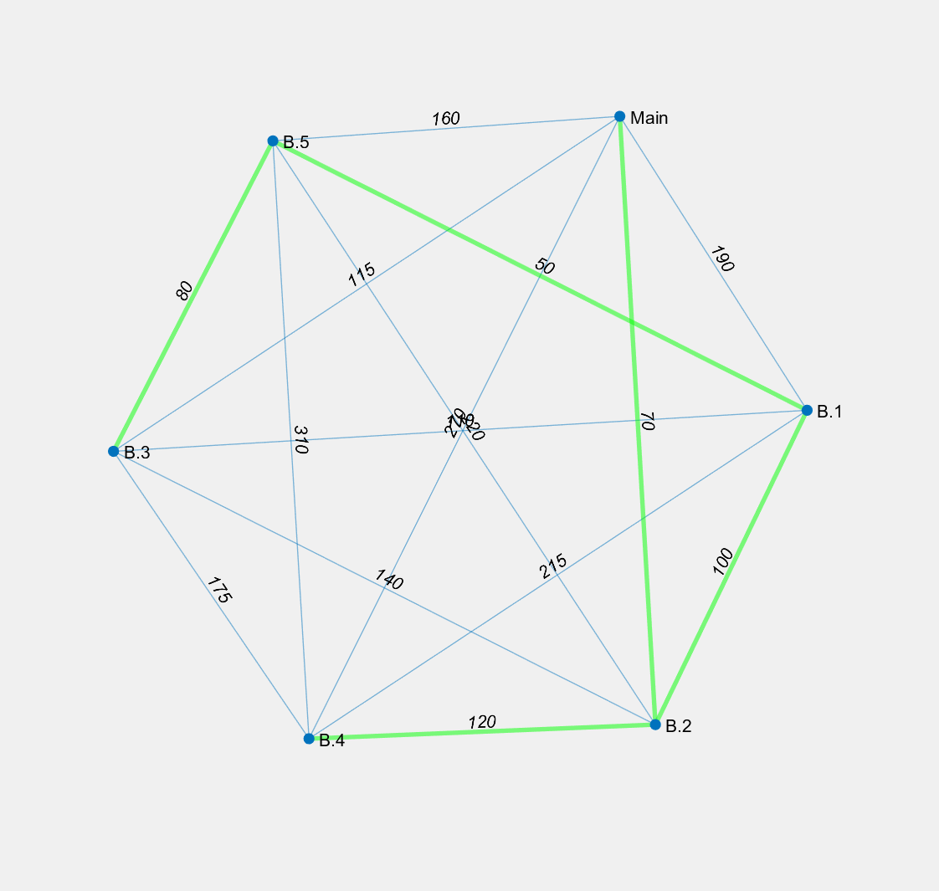
a) A minimum spanning tree is a spanning tree with minimum total weight. The conditions given in this Problem 1 well fit in the MST's setting to find the minimum distance that can connect the main office and the 5 branches with no loop/cycle within the tree paths.
b) An undirected graph for the problem | c) Apply Kruskal's Algorithm to solve it
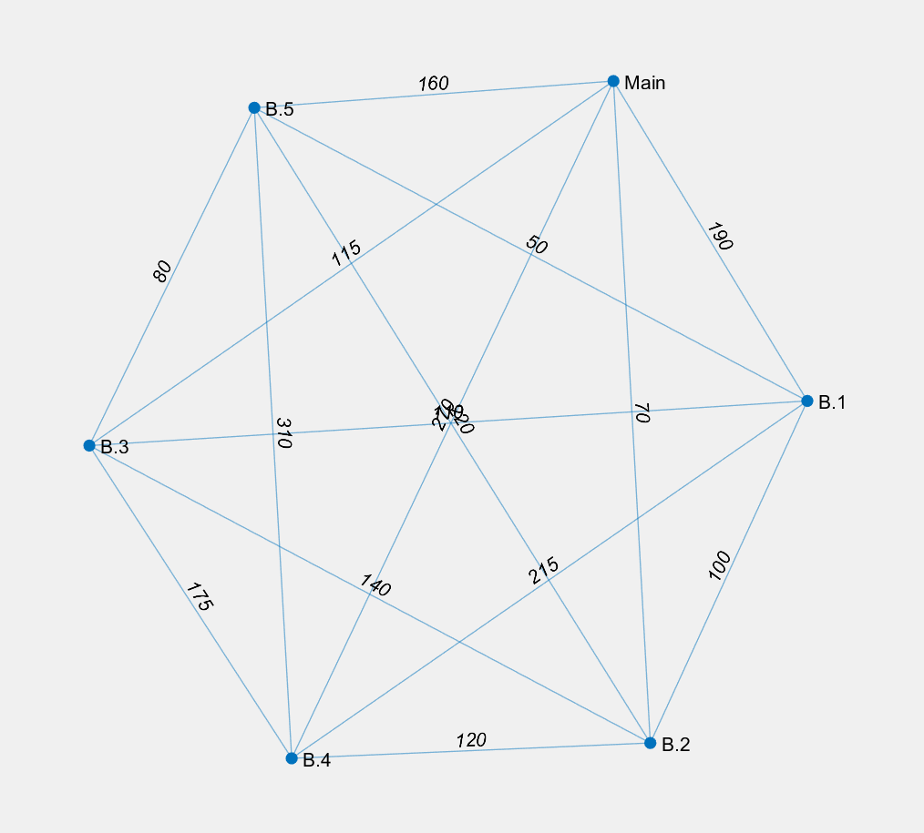
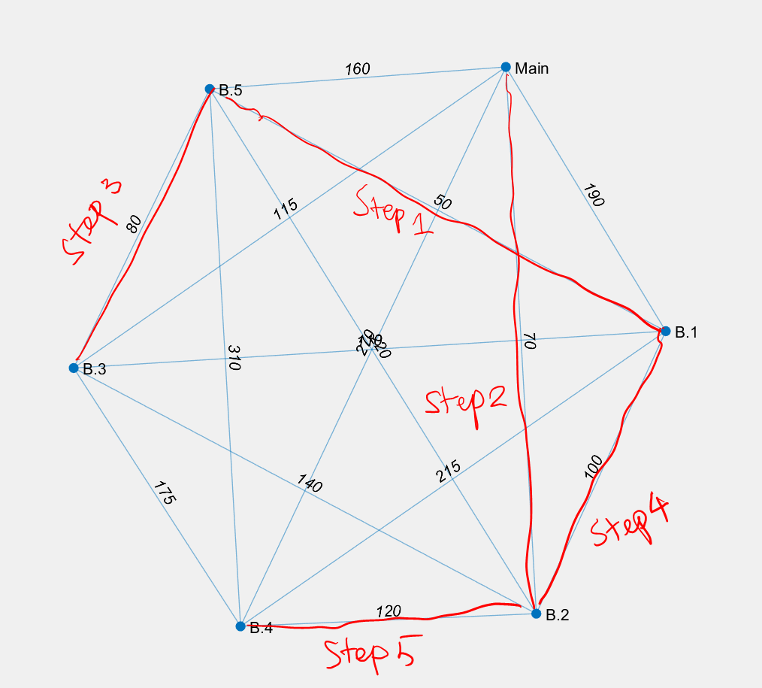
 |  | Criteria:
 |  | #Pick an edge with minimum edge from edge group
 |  | #Avoid loops/cycles in the path
 |  | Step1: Connect B.1 and B.5 with edge weigh of 50
 |  | Step2: Connect Main and B.2 with edge weight of 70
 |  | Step3: Connect B.3 and B.5 with edge weight of 80
 |  | Step4: Connect B.1 and B.2 with edge weight of 100
 |  | Step5: Connect B.2 and B.4 with edge weight of 120
 |  | In the end, the Kruskal's Algorithm based MST path is generated.
 |  | Minimum total distance/weight=50+70+80+100+120=420

d) The solution generaged in c) is verified using MATLAB

